Directions
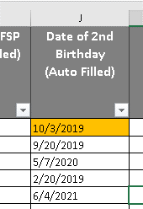
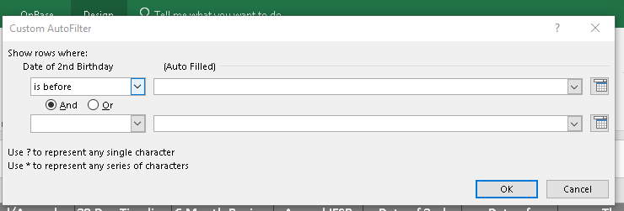
Directions:
This document will automatically populate many of the dates you need to keep track of for Service Coordination:
Date Pcert Due
45 Day Timeline
30 Day Timeline
6 Month Review
Annual
As the dates come up, the cells will highlight in a specific color to alert you. The Key can be found to the right of the Current Caseload Worksheet as well as on this page .
When completing the Current Caseload Worksheet, you only need to fill the cells for the collumns labeled with this symbol
Once you complete the Anuual IFSP, update the collumn labeled "Initial/Annual" and it will populate new deadlines.
Helpful Filters:
Selecting the drop down menu next to the Date of 2nd birthday will help you filter out the children that will be age elligible for Part B services.
Select "Date Filters" and "Before"
In the first blank cell, type in 9/30/ (upcoming school start year) and select OK
The list of children that remain are children that will be age elligible for Part B services come the next school year.
To clear filters and select the drop down next to "Date of 2nd Birthday" and select "Clear Filters..."

Key
Next Month
This Month
This Week

